1 COVER
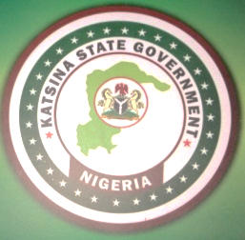

 | KATSINA STATE GOVERNMENT

 | 2021 APPROVED APPROPRIATION LAW

"Budget of Recovery & Consolidation"

 | KATSINA STATE
 | MINISTRY OF BUDGET AND ECONOMIC PLANNING
 | SAIDU BARDA HOUSE (OLD GOVERNMENT HOUSE)
 | KATSINA

