READ ME
This excel file accompanies GUIDELINES TO STATES OF SFTAS ADDITIONAL FINANCING DLI FOR STATES AMENDED BUDGET 2020 (June 2020, version 1.0).
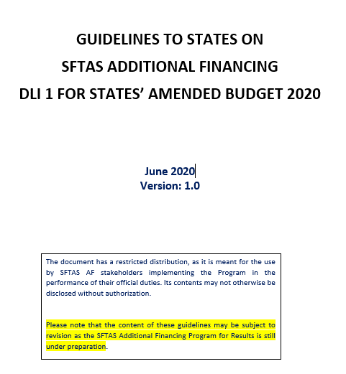

It provides a template for the summary table, required as part of the DLI Definition in the Verification Protocols:
"A Summary Table showing (in separate columns): original budget projection/allocation, amended budget projection/allocation. The two sets of numbers will be reported for all items (revenue, expenditures, and financing). An additional (third) column would report, for each summary heading of expenditures, the amount of that expenditure that is COVID-19 responsive (that is, a summary of the expenditure identified in the detailed exercise above).[1]
[1] Clarification: This means an additional summary table to be added to the budget documents if such table does not already exist in the document. This does NOT require states to change the format of the rest of their budget documentation.
Sheet "T1 Summary table" provides a REVISED example table (Table 1) which contains minimum reporting requirements/details.
The actual table could be more detailed, for example, showing 2019 actual and/or 2020 actual Jan-June (please see example Table 2 in Sheet T2, which is filled in with illustrative numbers).
The tables include a column for Referencing the Explanatory Notes (1-3), which are also required as part of the DLI Definition in the Verification Protocols (please see the guidelines for more detail).

